Setup
Setup |  |  |  |  | Note: "Width" must be less-long dimension of the plate.

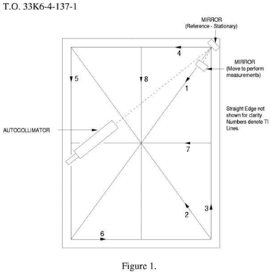
Work Order
CUSTOMER: | Damn Fine | Date | 2017-01-14
ID: | 000001 | Cert/WO#: | Example
Technician | Jgilliam | RUN: | Initial
Plate
Mfr: | DoAll | Width: | 36
S/N: | 000001 | Length: | 48
Map Setup
Reference Line | D | Foot Size (in) | 2
Perim Border X | 2 | X ArcSec Meas | 16
Perim Border Y | 2 | Y ArcSec Meas | 22
Diagonal Inch | 54.406 | Diagonal Meas | 28
Preliminaries
Plate Top: | 23 | Temp Start: | 23
Plate Bottom: | 23

 |  |  |  | 17

